HMM
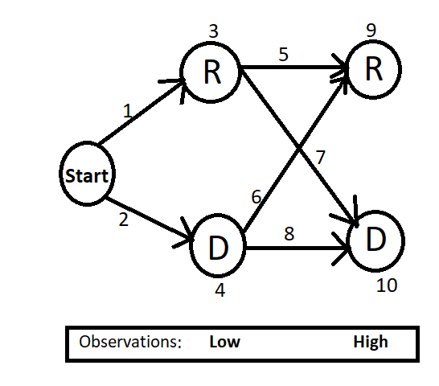
 | Transition probabilities |  |  |  | Emission Probabilities
 |  | Current
 |  | Rain | Dry |  |  | Low | High
 | Start | 0.6 | 0.4 |  | Rain | 0.6 | 0.4
Last | Rain | 0.7 | 0.3 |  | Dry | 0.3 | 0.7
 | Dry | 0.2 | 0.8

 | Index
 | 1 | 0.6
 | 2 | 0.4
MAX | 3 | 0.36 |  |  | R
 | 4 | 0.12
 | 5 | 0.28
 | 6 | 0.08
 | 7 | 0.21
 | 8 | 0.56
MAX | 9 | 0.1008 | 0.1008 | 0.0096 | R
 | 10 | 0.0756 | 0.0756 | 0.0672

